Visual Analysis SKUs
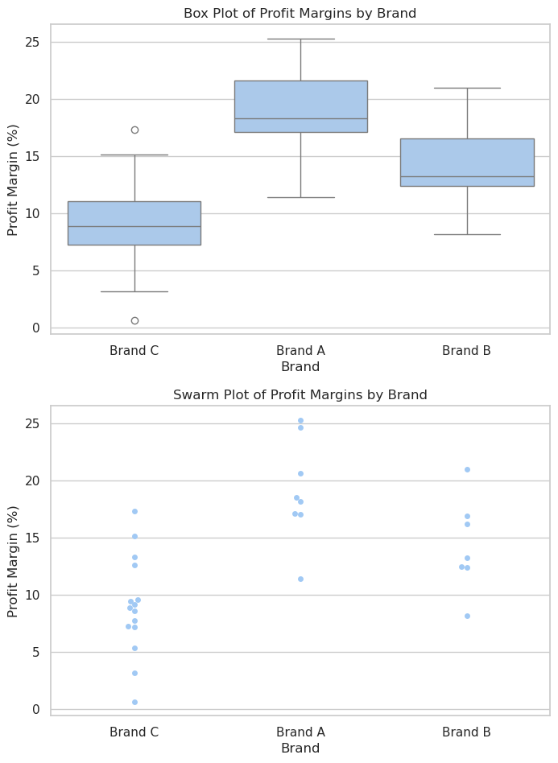
SKU | Brand | Revenue | Cost | Profit | Profit Margin (%)
SKU-1 | Brand C | 86820 | 80525.55 | 6294.45 | 7.25
SKU-2 | Brand C | 16265 | 14218.863 | 2046.137 | 12.58
SKU-3 | Brand C | 54131 | 48972.3157 | 5158.6843 | 9.53
SKU-4 | Brand C | 77221 | 73081.9544 | 4139.0456 | 5.36
SKU-5 | Brand A | 93104 | 77183.216 | 15920.784 | 17.1
SKU-6 | Brand B | 38693 | 33906.6759 | 4786.3241 | 12.37
SKU-7 | Brand A | 35658 | 31600.1196 | 4057.8804 | 11.38
SKU-8 | Brand C | 28431 | 26386.8111 | 2044.1889 | 7.19
SKU-9 | Brand C | 77435 | 64015.5145 | 13419.4855 | 17.33
SKU-10 | Brand C | 76803 | 69990.5739 | 6812.4261 | 8.87
SKU-11 | Brand A | 90038 | 71481.1682 | 18556.8318 | 20.61
SKU-12 | Brand B | 20627 | 18065.1266 | 2561.8734 | 12.42
SKU-13 | Brand A | 33483 | 27790.89 | 5692.11 | 17
SKU-14 | Brand C | 58555 | 53554.403 | 5000.597 | 8.54
SKU-15 | Brand A | 45920 | 37580.928 | 8339.072 | 18.16
SKU-16 | Brand B | 79479 | 66062.9448 | 13416.0552 | 16.88
SKU-17 | Brand B | 62995 | 57886.1055 | 5108.8945 | 8.11
SKU-18 | Brand B | 19692 | 17086.7484 | 2605.2516 | 13.23
SKU-19 | Brand C | 47065 | 42772.672 | 4292.328 | 9.12
SKU-20 | Brand B | 42606 | 33658.74 | 8947.26 | 21
SKU-21 | Brand C | 33247 | 30115.1326 | 3131.8674 | 9.42
SKU-22 | Brand A | 84065 | 68521.3815 | 15543.6185 | 18.49
SKU-23 | Brand C | 96779 | 89327.017 | 7451.983 | 7.7
SKU-24 | Brand A | 48044 | 35893.6724 | 12150.3276 | 25.29
SKU-25 | Brand C | 12695 | 12616.291 | 78.709 | 0.62
SKU-26 | Brand C | 15258 | 14774.3214 | 483.6786 | 3.17
SKU-27 | Brand C | 22666 | 19232.101 | 3433.899 | 15.15
SKU-28 | Brand A | 13561 | 10216.8574 | 3344.1426 | 24.66
SKU-29 | Brand C | 18392 | 15944.0248 | 2447.9752 | 13.31
SKU-30 | Brand B | 62256 | 52164.3024 | 10091.6976 | 16.21

